Table 1
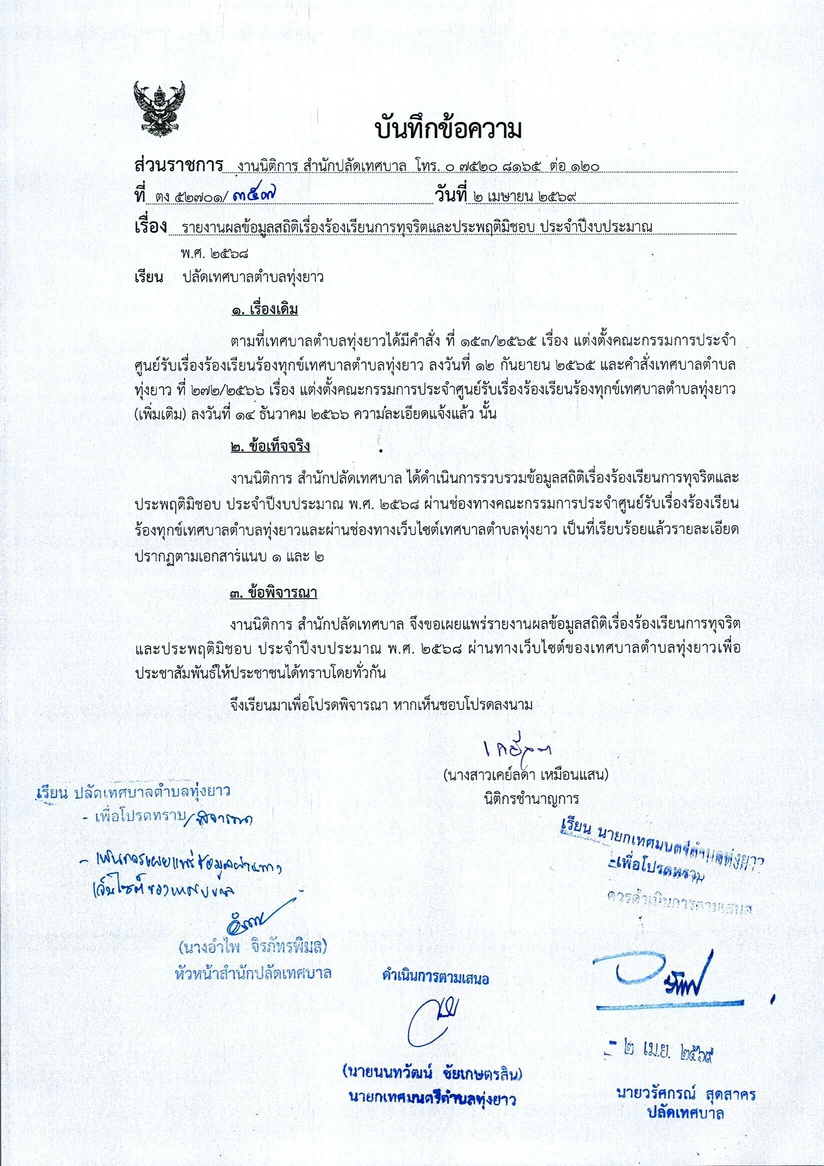

O O 0
0 O
O 0 0 O O

0
O
0 0
O 0
O O O
O O 0
Bid : zeurzo‹1ø‹îšuunczvi, ša‹tnsds•.wąyłutletJ E-Service (One Stop Service) \yIyIU1€lm1tJfIYİ4511YItłtMR *1UQ'g o l2G4

